Sheet1
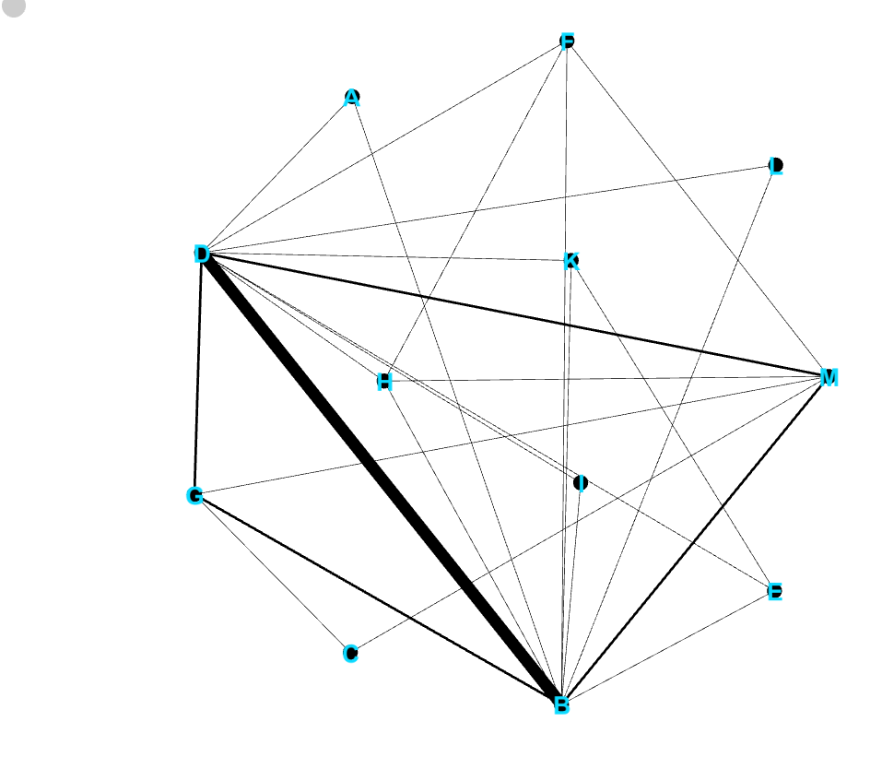
source | target | weight
Istanbul | Omurlu | 1
Istanbul | Uskudar | 1
Istanbul | Lice district | 1
Istanbul | Malatya | 2
Istanbul | Ceylanpinar | 1
Istanbul | Yuksekova | 2
Istanbul | Konak District | 1
Istanbul | Ordu | 1
Istanbul | Uzumlu | 1
Istanbul | Diyarbakir | 7
Diyarbakir | Omurlu | 1
Diyarbakir | Uskudar | 1
Diyarbakir | Lice district | 1
Diyarbakir | Malatya | 2
Diyarbakir | Ceylanpinar | 1
Diyarbakir | Yuksekova | 2
Diyarbakir | Konak District | 1
Diyarbakir | Ordu | 1
Diyarbakir | Uzumlu | 1
Uskudar | Konak District | 1
Dortyol | Malatya | 1
Dortyol | Yuksekova | 1
Yuksekova | Omurlu | 1
Yuksekova | Lice district | 1
Yuksekova | Malatya | 1
Omurlu | Lice district | 1

